Portrait
23 USC § 409 Documents
NDDOT Reserves All Objections
Speed Zone Engineering Study
REF # |  |  |  | Nearest City |  |  |  |  |  |  |  |  | Use other tab for landscape layouts.
PCN |  |  |  | Hwy and RP
Analyst |  |  |  | What Prompted Study
Aerial Photo of Study Area

Add aerial photo of study area.

Speed Limit History for Area
Date |  | REF # | PCN |  | 85th % Speed (mph) |  | 50th % Speed (mph) |  | Change to Posted Speed |  | Speed Order #
 |  |  |  |  | NB | SB | NB | SB

 |  |  |  |  |  |  |  |  |  |  |  | Page 1 of 2

23 USC § 409 Documents
NDDOT Reserves All Objections
At least 1 of the below conditions should be satisfied prior to performing a speed study, else the posted speed limit likely does not need to be lowered.

 |  | Conditions to Perform a Speed Study |  |  |  |  |  |  |  | Answer for Study Area
Access Points |  | Is the number access points ≥ 5.0 per side per mile?*
Construction |  | Is there an existing reduced speed zone and is a traffic operations study being performed due to a construction project?
Crashes |  | Are there crash patterns related to speeding?
Crosswalk |  | Is a crosswalk marked and signed to cross the road?
Curb and Gutter |  | Is raised curb present on at least one side of the road?
Development |  | Is substantial development present along both sides of the road?**
Lighting |  | Is segment lighting or intersection illumination lighting present?
Traffic Signal |  | Is a traffic signal present?***
Typical Section |  | Is there a transition from divided hwy to undivided hwy, or vice versa?
*If the segment length is less than 1.0mi then use a minimum value of 1.0mi to calculate access points per mile.
**See text and figures below.
***The maximum posted speed when approaching a traffic signal should be ≤ 55mph, based on NDDOT's standard practice.

The below questions may be considered when determining whether or not "substantial development" is present on both sides of the road:
 | -Is development fairly continuous for multiple blocks along both sides of the road or is it limited to isolated spot locations?
 | -Are significant traffic volumes generated on both sides of the road?
 | -Is traffic drawn from one side of the road to the other at multiple intersections (travelling perpendicular across the major road)?

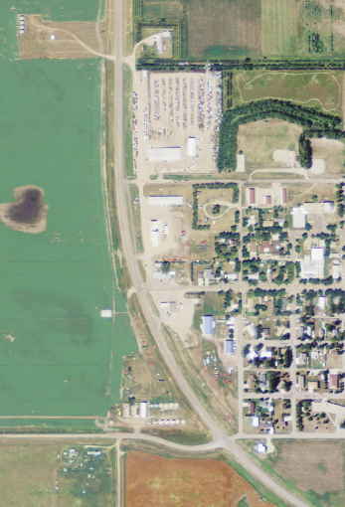
E/W major road. Substantial development is present on both sides.
N/S major road. Substantial development is present on the east side
but not on the west side.

 |  |  |  |  |  |  |  |  |  |  |  | Page 2 of 2

Landscape
23 USC § 409 Documents
NDDOT Reserves All Objections
Speed Zone Engineering Study
REF # |  |  |  |  | Nearest City |  |  |  |  |  |  |  |  |  | Use other tab for portrait layouts.
PCN |  |  |  |  | Hwy and RP
Analyst |  |  |  |  | What Prompted Study
Aerial Photo of Study Area

Add aerial photo of study area.

Speed Limit History for Area
Date |  | REF # | PCN | 85th % Speed (mph) |  |  |  | 50th % Speed (mph) |  | Change to Posted Speed | Speed Order # | Page 1 of 2
 |  |  |  | EB |  | WB |  | EB | WB

At least 1 of the conditions to the right should be satisfied prior to performing a speed study, else the posted speed limit likely does not need to be lowered. |  |  |  |  |  |  | Conditions to Perform a Speed Study |  |  |  |  |  | Answer for Study Area
 |  |  |  | Access Points |  |  | Is the number of access points ≥ 5.0 per side per mile?*
 |  |  |  | Construction |  |  | Is there an existing reduced speed zone and is a traffic operations study being performed due to a construction project?
 |  |  |  | Crashes |  |  | Are there crash patterns related to speeding?
 |  |  |  | Crosswalk |  |  | Is a crosswalk marked and signed to cross the road?
 |  |  |  | Curb and Gutter |  |  | Is raised curb present on at least one side of the road?
 |  |  |  | Development |  |  | Is substantial development present along both sides of the road?**
 |  |  |  | Lighting |  |  | Is segment lighting or intersection illumination lighting present?
 |  |  |  | Traffic Signal |  |  | Is a traffic signal present?***
 |  |  |  | Typical Section |  |  | Is there a transition from divided hwy to undivided hwy, or vice versa?
 |  |  |  | *If the segment length is less than 1.0mi then use a minimum value of 1.0mi to calculate access points per mile.
23 USC § 409 Documents
NDDOT Reserves All Objections
 |  |  |  | **See text and figures below.
 |  |  |  | ***The maximum posted speed when approaching a traffic signal should be ≤ 55mph, based on NDDOT's standard practice.

The below questions may be considered when determining whether or not "subtantial development" is present on both sides of the road:
 | -Is development fairly continuous for multiple blocks along both sides of the road or is it limited to isolated spot locations?
 | -Are significant traffic volumes generated on both sides of the road?
 | -Is traffic drawn from one side of the road to the other at multiple intersections (traveling perpendicular across the major road)?
E/W major road. Substantial development is present on both sides.
N/S major road. Substantial development is present on the east side
but not on the west side.

 |  |  |  |  |  |  |  |  |  |  |  |  |  | Page 2 of 2

